Market
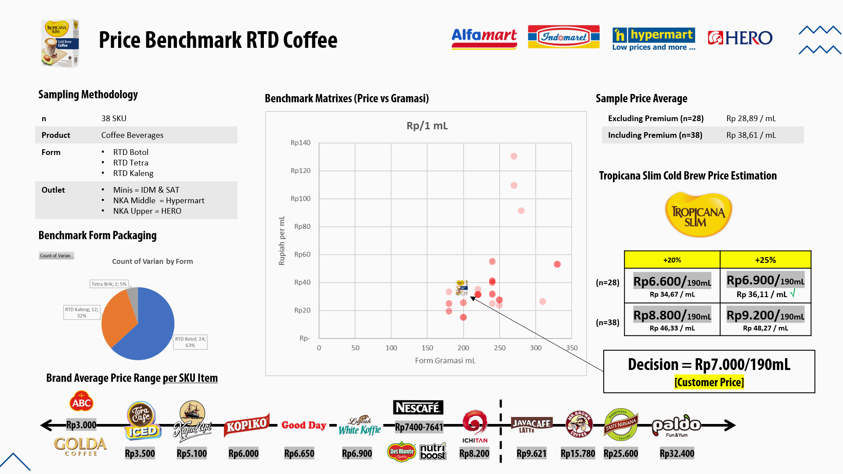
Merk | Varian | Form | Gramasi (gr/ml) | Harga | Rp/1 UOM | Outlet
ABC | Milk Coffee | RTD Botol | 200 | Rp3,000 | Rp15 | IDM
ABC | Chocomalt Coffee | RTD Botol | 200 | Rp3,000 | Rp15 | IDM
Golda | Dolce Latte | RTD Botol | 200 | Rp3,000 | Rp15 | IDM
Tora Café | Iced Cappuccino | RTD Botol | 180 | Rp3,500 | Rp19 | IDM
Tora Café | Iced Milky Latte | RTD Botol | 180 | Rp3,500 | Rp19 | IDM
Good Day | Cappuccino | RTD Botol | 250 | Rp5,900 | Rp24 | IDM
Kopiko | Coffee Latte 78 | RTD Botol | 240 | Rp6,000 | Rp25 | IDM
Nescafe | Coffee Cream | Tetra Brik | 180 | Rp4,500 | Rp25 | IDM
Nescafe | French Vanilla Cream | Tetra Brik | 180 | Rp4,500 | Rp25 | IDM
Kapal Api | White Coffee | RTD Botol | 200 | Rp5,100 | Rp26 | IDM
Kapal Api | Original Black | RTD Botol | 200 | Rp5,100 | Rp26 | IDM
Ichitan | Thai Milk Coffee | RTD Botol | 310 | Rp8,200 | Rp26 | SAT
Good Day | Avocado Delight | RTD Botol | 250 | Rp6,900 | Rp28 | IDM
Good Day | Tiramisu Bliss | RTD Botol | 250 | Rp6,900 | Rp28 | IDM
Good Day | Funtastic Moccha | RTD Botol | 250 | Rp6,900 | Rp28 | IDM
Nutriboost | Kopi Susu | RTD Botol | 240 | Rp7,500 | Rp31 | IDM
Rp/1 mL
Luwak | White Coffee | RTD Botol | 220 | Rp6,900 | Rp31 | IDM
Nescafe | Kopi Susu Kurma Latte | RTD Botol | 220 | Rp6,900 | Rp31 | IDM
Nescafe | Caramel Macchiato | RTD Kaleng | 220 | Rp6,900 | Rp31 | IDM
Nescafe | Latte | RTD Kaleng | 220 | Rp6,900 | Rp31 | IDM
Nescafe | Cappuccino | RTD Kaleng | 220 | Rp6,900 | Rp31 | IDM
Delmonte | Café Latte | RTD Kaleng | 240 | Rp7,641 | Rp32 | MPPA
Delmonte | Mocha Latte | RTD Kaleng | 240 | Rp7,641 | Rp32 | MPPA
Kopiko | Lucky Day | RTD Botol | 180 | Rp6,000 | Rp33 | IDM
Nescafe | Coffe Latte Éclair | RTD Botol | 220 | Rp7,700 | Rp35 | IDM
Javacafe | Mocha | RTD Kaleng | 240 | Rp9,621 | Rp40 | MPPA
Javacafe | Latte | RTD Kaleng | 240 | Rp9,621 | Rp40 | MPPA
Nescafe | Ice Coffee Original | RTD Kaleng | 240 | Rp9,900 | Rp41 | IDM
Nescafe | Ice Coffee Latte | RTD Kaleng | 240 | Rp9,900 | Rp41 | IDM
Nescafe | Ice Coffee Mocha | RTD Kaleng | 240 | Rp9,900 | Rp41 | IDM
Mr Brown | French Vanilla Cream | RTD Botol | 330 | Rp17,500 | Rp53 | HERO
Mr Brown | Iced Coffee | RTD Botol | 330 | Rp17,500 | Rp53 | HERO
Mr Brown | Caramel Macchiato | RTD Botol | 330 | Rp17,500 | Rp53 | HERO
Mr Brown | Cappucino Coffee | RTD Kaleng | 240 | Rp13,200 | Rp55 | HERO
Mr Brown | Vanilla Coffee | RTD Kaleng | 240 | Rp13,200 | Rp55 | HERO
Taste Nirvana | Mocha Coffee | RTD Botol | 280 | Rp25,600 | Rp91 | HERO
Paldo | Cold Brew Americano | RTD Botol | 270 | Rp29,600 | Rp110 | IDM
Paldo | Hot Brew Vanilla Latte | RTD Botol | 270 | Rp35,200 | Rp130 | IDM

 |  |  |  | per mL | +20% | +25% | x 190 mL
 |  |  | AVG Non Premium | Rp28.89 | Rp34.67 | Rp36.11 | Rp6,587.24 | Rp6,861.71
 |  |  | AVG Premium | Rp38.61 | Rp46.33 | Rp48.27 | Rp8,803.57 | Rp9,170.38

Market Potency
Jumlah penduduk Indonesia | 270,200,000
SES SU, U12 | 30% | Indonesian population
MF, 24-55 | 48% | Indonesian population
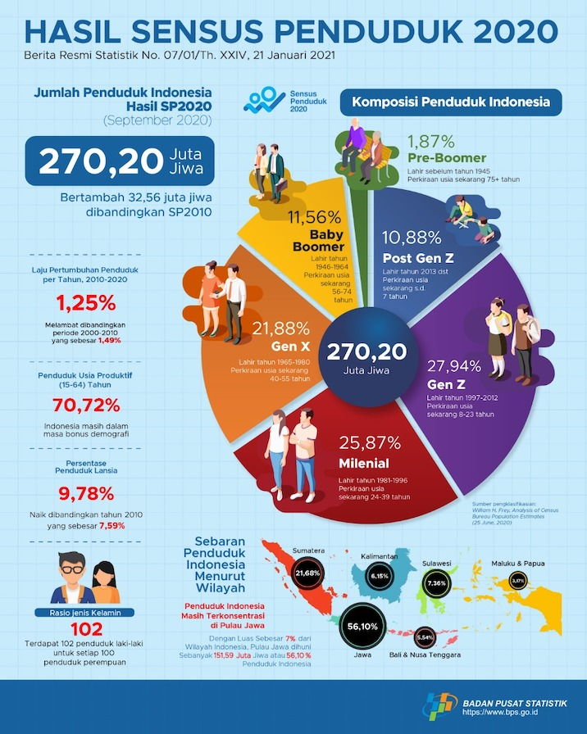

Peminum kopi | 61%
Pilih cold brew | 45%
Diabetes | 11%
Pilih Plant Based | 15%
Choose Tropicana Slim | 10.0%

Target market TS | 18,009 | persons

Consume TS
- min 1x konsumsi perbulan | 18,009 | pcs per month

Price TS | IDR 9,200 | per portion
Sales potency
- per mo | IDR 165,683,727
Round Up Market Potency | IDR 200,000,000 | per month

Research
Market Potency Cold Brew Coffee

Interest over time (2018-2021)
Terdapat peak trend pencarian ‘cold brew’ pada range 27 Mar – 29 Mei 2021
Interest by subregion (2018-2021)
Keyword ‘cold brew’ banyak dicari di lokasi diatas pada 2018-2021

 | Dalam radius 3 km dari Premium Neighbourhood, terdapat 6 merchant yang menjual Cold Brew Coffee di platform GoFood

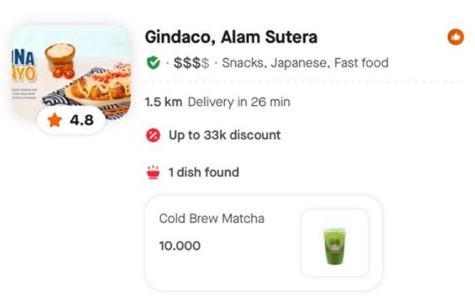
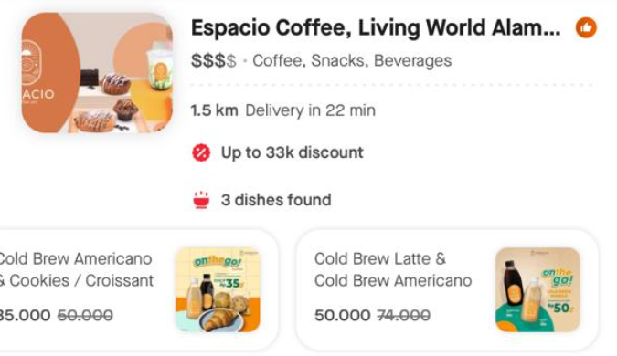
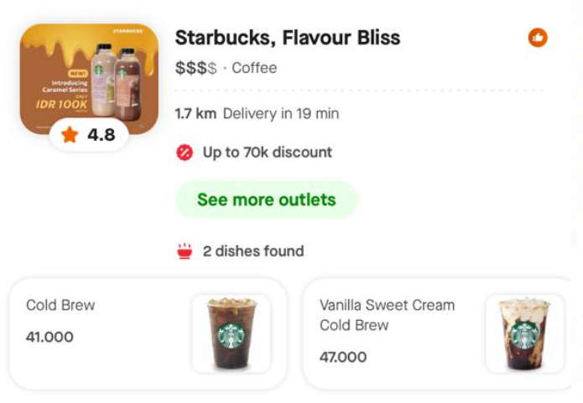
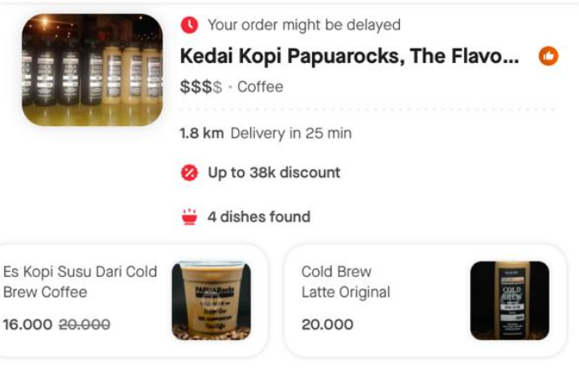
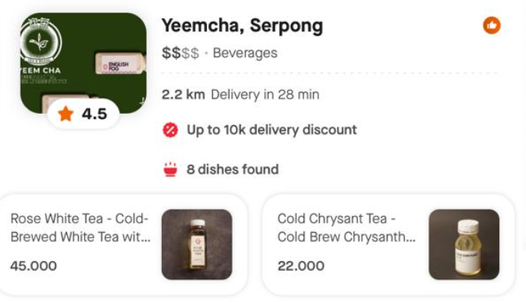
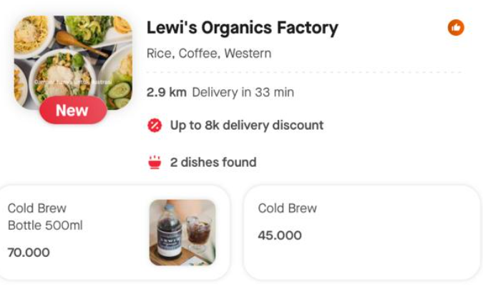

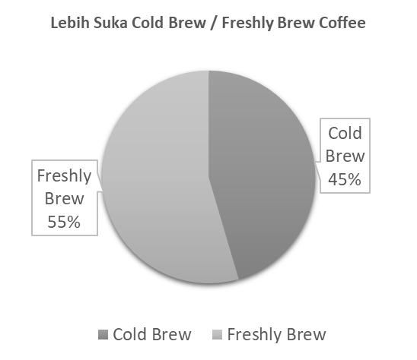
 |  | Survey Pengguna Instagram
 |  | Pertanyaan: Lebih suka Cold Brew Coffee / Freshly Brewed Coffee?

 |  | n = 33, survey conducted on 10-11 July 2021

 |  | Cold Brew | Freshly Brew | Produk Cold Brew Coffee memiliki penggemar yang sama banyaknya dengan freshly brewed coffee.
 |  | 15 | 18

